Sheet1
Expense | Monthly Revenue
House | 35%
Saving | 10%
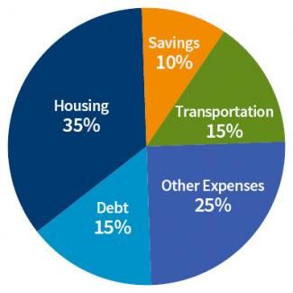
Dept | 15%
Transportation | 15%
Other Expense | 25%

